Sheet1
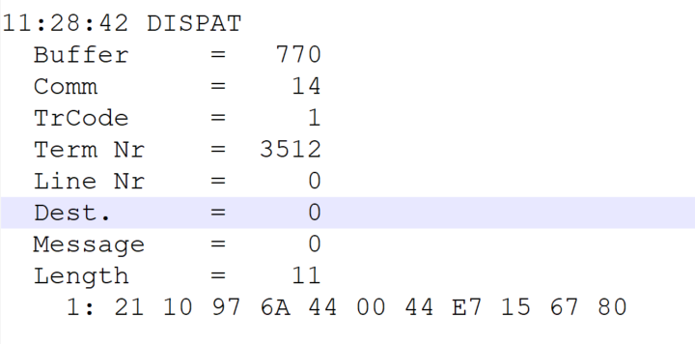
 |  |  |  |  | HEXA | BIN | DEC
TestByte |  | Size | Field Contents
Start | End
1 | 1 | 1 | Control | Sequence | 21 | Control=0010 Sequence=0001 | 2 1 | Control -> x10 - Application Message Sequence -> 1
2 | 2 | 1 | Type = 1 | Subtype = see below | 10 | Type=0001 Subtype=0000 | Type=1 Subtype=0 | Type = 1 Subtype = 0
3 | 4 | 2 | Checksum |  | 97 6A
5 | 5 | 1 | Statistics (see below) |  | 44 | …....... | …....... | x40 = Reader Entry
6 | 7 | 2 | Wager Julian Date |  | 00 44 |  | 68 | 31+28+9=68
8 | 10 | 3 | Wager Serial Number |  | E7 15 67 |  | 15144295 | 15144295
11 | 11 | 1 | Wager Check Digits |  | 80 |  | 128 | 128
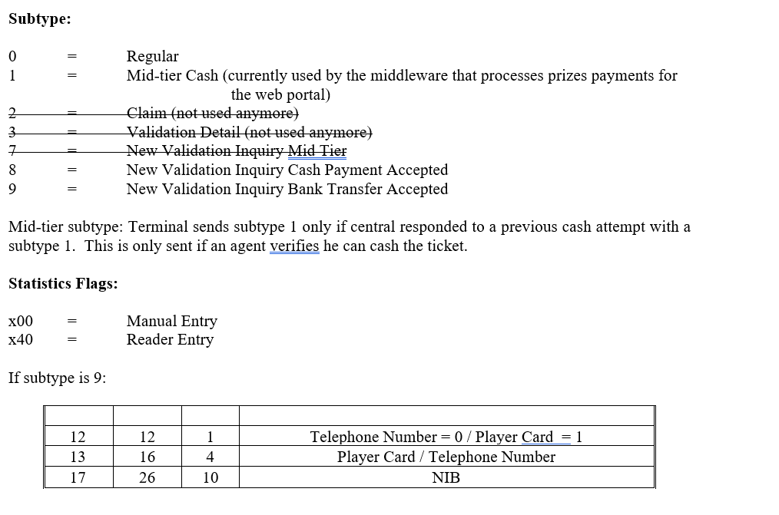
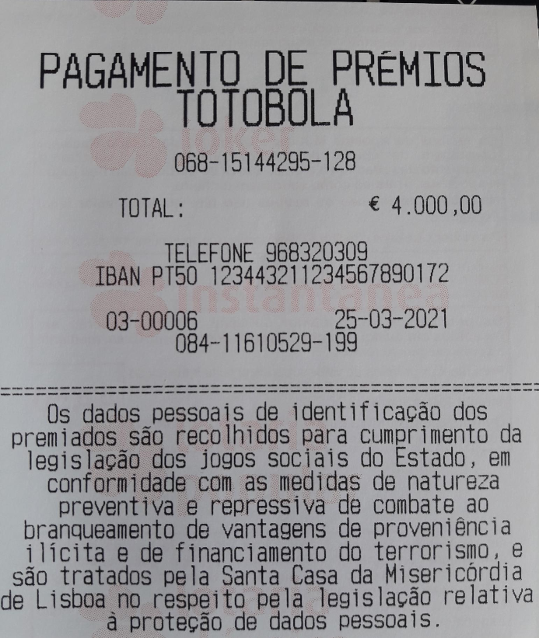

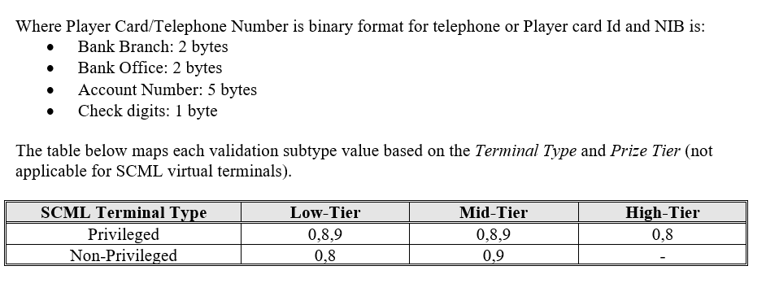

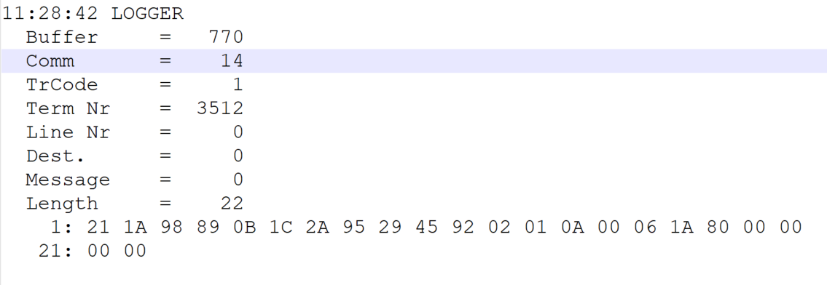
TestByte |  | Size | Field Contents
Start | End
1 | 1 | 1 | Control | Sequence | 21 | Control=0010 Sequence=0001 | 2 1 | Control -> x10 - Application Message Sequence -> 1
2 | 2 | 1 | Type = 1 | Subtype = see below | 1A | Type=0001 Subtype=1010 | Type=1 Subtype=10 | Type = 1 Subtype = 10 New Validation Inquiry Bank Tranfer Only
3 | 4 | 2 | Checksum |  | 98 89
5 | 7 | 3 | Time |  | 0B 1C 2A |  | 11:28:42 | 11:28:42
8 | 10 | 3 | Validation Serial Number |  | 95 29 45 |  | 9775429 | 9775429
11 | 11 | 1 | Validation Check Digits |  | 92 |  | 146 | 146
12 | 12 | 1 | Game Type |  | 02 |  | 2 | SPRT - Totobola
13 | 13 | 1 | Game Index |  | 01 |  | 1 | Normal
14 | 14 | 1 | Validation Status |  | 0A |  | 10 | 10 = No Exchange Ticket
15 | 18 | 4 | Cash Amount (Validation Units) |  | 00 06 1A 80 |  | 400000 | 400000CENT = 4000 euros
19 | 22 | 4 | Refund Amount (Validation Units) |  | 00 00 00 00 |  | 0 | 0

